Energy_item
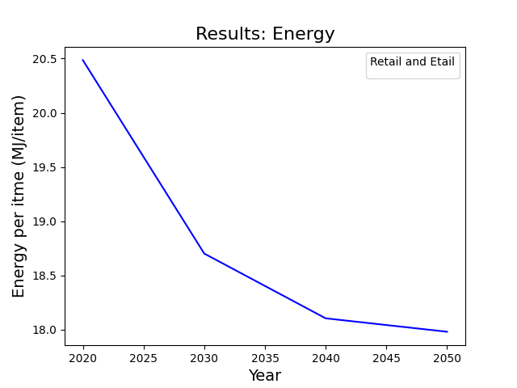
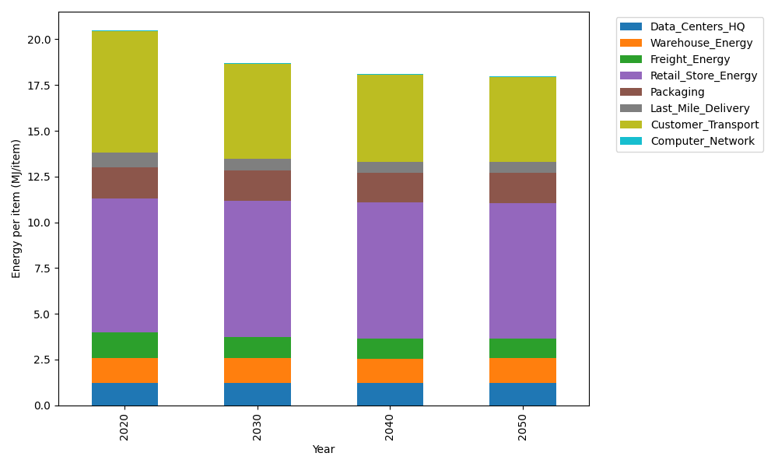
Years | Data_Centers_HQ | Warehouse_Energy | Freight_Energy | Retail_Store_Energy | Packaging | Last_Mile_Delivery | Customer_Transport | Computer_Network | Total
2020 | 1.2374262174 | 1.341127013 | 1.4111355553 | 7.3093548954 | 1.6919526965 | 0.81458505958 | 6.6371394427 | 0.042906875833 | 20.485627756
2030 | 1.2352589164 | 1.3270322243 | 1.1854327203 | 7.4282002327 | 1.6406569475 | 0.64384991346 | 5.2030161503 | 0.038294833407 | 18.701741939
2040 | 1.2350032916 | 1.3253697983 | 1.0863368838 | 7.4422175821 | 1.6346068117 | 0.59729268417 | 4.7460196 | 0.03775086078 | 18.104597513
2050 | 1.2351750393 | 1.3264867392 | 1.0704752572 | 7.4327996894 | 1.6386717407 | 0.59713265446 | 4.6419789166 | 0.038116341848 | 17.980836379

CO2_item
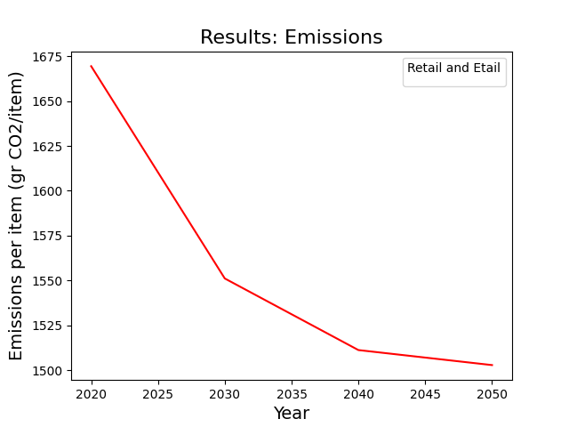
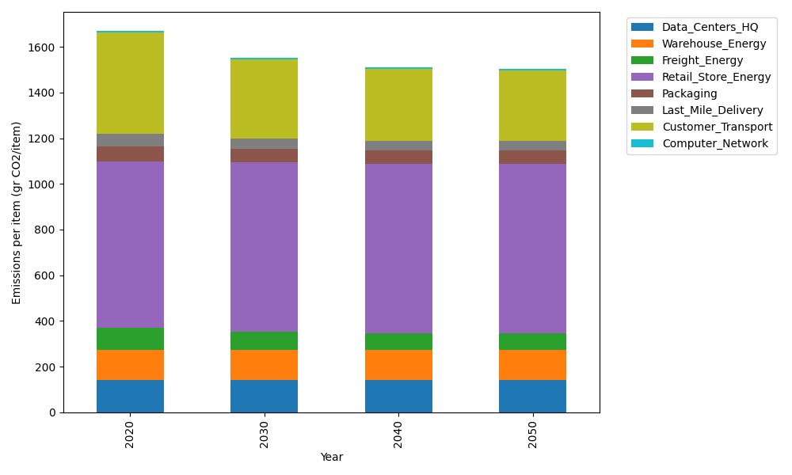
Years | Data_Centers_HQ | Warehouse_Energy | Freight_Energy | Retail_Store_Energy | Packaging | Last_Mile_Delivery | Customer_Transport | Computer_Network | Total
2020 | 140.1486978 | 133.88320986 | 96.107295025 | 728.92732662 | 65.550493381 | 55.915666481 | 441.66356859 | 7.2373947519 | 1669.4336525
2030 | 139.86273774 | 132.46991499 | 80.695765878 | 740.77920893 | 60.438318173 | 44.195871998 | 346.2308876 | 6.4594501683 | 1551.1321555
2040 | 139.82900985 | 132.3032223 | 73.903120797 | 742.17709276 | 59.835356814 | 41.00003815 | 315.82038787 | 6.3676946034 | 1511.2359232
2050 | 139.85167074 | 132.41521878 | 72.807877055 | 741.23789095 | 60.240470878 | 40.98905321 | 308.89707702 | 6.4293427824 | 1502.8686014

